Sheet1
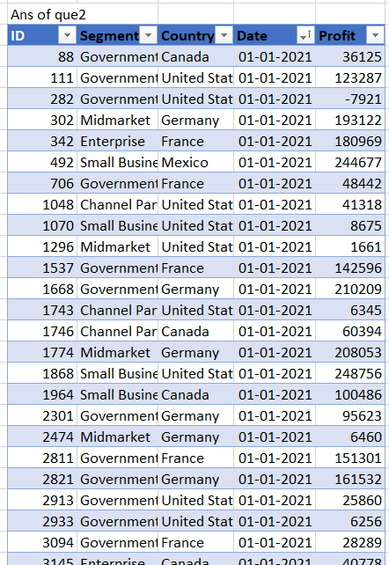
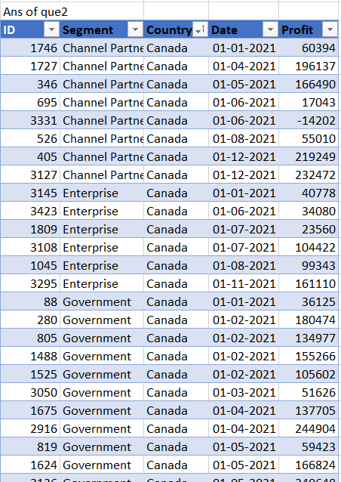
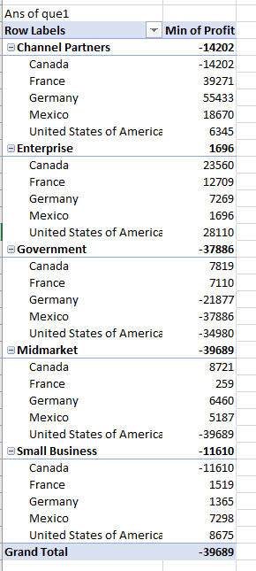
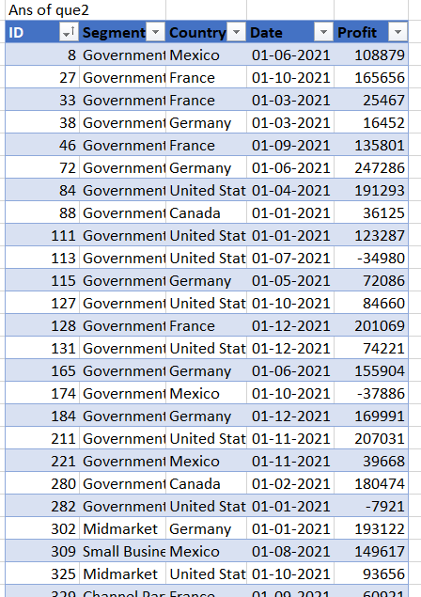
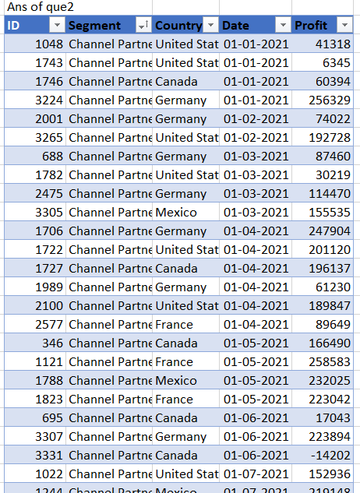
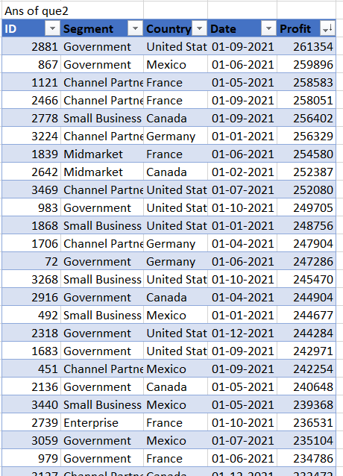

Sheet5
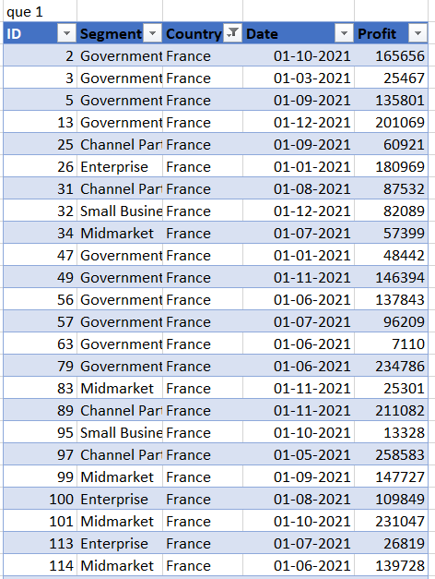
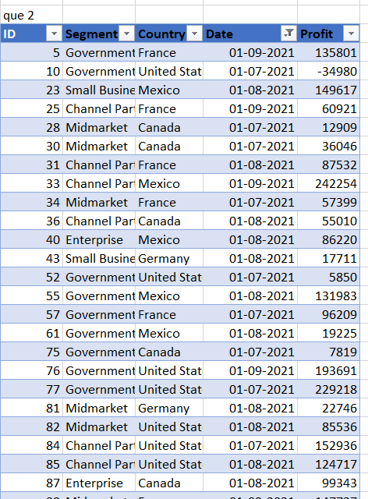
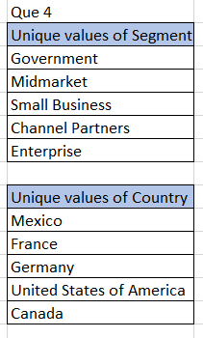
que 4
ID | Segment | Country | Date | Profit
1 | Government | Mexico | 2021-06-01 | 108879
2 | Government | France | 2021-10-01 | 165656
3 | Government | France | 2021-03-01 | 25467
4 | Government | Germany | 2021-03-01 | 16452
5 | Government | France | 2021-09-01 | 135801
6 | Government | Germany | 2021-06-01 | 247286
7 | Government | United States of America | 2021-04-01 | 191293
8 | Government | Canada | 2021-01-01 | 36125
9 | Government | United States of America | 2021-01-01 | 123287
10 | Government | United States of America | 2021-07-01 | -34980
11 | Government | Germany | 2021-05-01 | 72086
12 | Government | United States of America | 2021-10-01 | 84660
13 | Government | France | 2021-12-01 | 201069
14 | Government | United States of America | 2021-12-01 | 74221
15 | Government | Germany | 2021-06-01 | 155904
16 | Government | Mexico | 2021-10-01 | -37886
17 | Government | Germany | 2021-12-01 | 169991
18 | Government | United States of America | 2021-11-01 | 207031
19 | Government | Mexico | 2021-11-01 | 39668
20 | Government | Canada | 2021-02-01 | 180474
21 | Government | United States of America | 2021-01-01 | -7921
22 | Midmarket | Germany | 2021-01-01 | 193122
23 | Small Business | Mexico | 2021-08-01 | 149617
24 | Midmarket | United States of America | 2021-10-01 | 93656
25 | Channel Partners | France | 2021-09-01 | 60921
26 | Enterprise | France | 2021-01-01 | 180969
27 | Channel Partners | Canada | 2021-05-01 | 166490
28 | Midmarket | Canada | 2021-07-01 | 12909
29 | Channel Partners | Canada | 2021-12-01 | 219249
30 | Midmarket | Canada | 2021-07-01 | 36046
31 | Channel Partners | France | 2021-08-01 | 87532
32 | Small Business | France | 2021-12-01 | 82089
33 | Channel Partners | Mexico | 2021-09-01 | 242254
34 | Midmarket | France | 2021-07-01 | 57399
35 | Small Business | Mexico | 2021-01-01 | 244677
36 | Channel Partners | Canada | 2021-08-01 | 55010
37 | Channel Partners | United States of America | 2021-12-01 | 142874
38 | Small Business | Mexico | 2021-12-01 | 166353
39 | Midmarket | Canada | 2021-12-01 | 47888
40 | Enterprise | Mexico | 2021-08-01 | 86220
41 | Small Business | Mexico | 2021-04-01 | 27542
42 | Enterprise | Mexico | 2021-04-01 | 173199
43 | Small Business | Germany | 2021-08-01 | 17711
44 | Channel Partners | Mexico | 2021-10-01 | 18670
45 | Channel Partners | Germany | 2021-03-01 | 87460
46 | Channel Partners | Canada | 2021-06-01 | 17043
47 | Government | France | 2021-01-01 | 48442
48 | Government | United States of America | 2021-04-01 | 175220
49 | Government | France | 2021-11-01 | 146394
50 | Government | Germany | 2021-12-01 | 158679
51 | Government | Canada | 2021-11-01 | 86186
52 | Government | United States of America | 2021-07-01 | 5850
53 | Government | United States of America | 2021-06-01 | -15140
54 | Government | Mexico | 2021-06-01 | 190517
55 | Government | Mexico | 2021-08-01 | 131983
56 | Government | France | 2021-06-01 | 137843
57 | Government | France | 2021-07-01 | 96209
58 | Government | Canada | 2021-02-01 | 134977
59 | Government | Canada | 2021-05-01 | 59423
60 | Government | Canada | 2021-06-01 | 32352
61 | Government | Mexico | 2021-08-01 | 19225
62 | Government | Mexico | 2021-03-01 | 150851
63 | Government | France | 2021-06-01 | 7110
64 | Government | Mexico | 2021-06-01 | 259896
65 | Government | Canada | 2021-11-01 | 222162
66 | Government | Mexico | 2021-10-01 | 5652
67 | Government | United States of America | 2021-02-01 | 173392
68 | Government | Mexico | 2021-02-01 | 230726
69 | Government | United States of America | 2021-10-01 | 154630
70 | Government | United States of America | 2021-06-01 | 161165
71 | Government | Germany | 2021-06-01 | 6105
72 | Government | Mexico | 2021-03-01 | 34334
73 | Government | Canada | 2021-12-01 | 8406
74 | Government | Canada | 2021-06-01 | 27137
75 | Government | Canada | 2021-07-01 | 7819
76 | Government | United States of America | 2021-09-01 | 193691
77 | Government | United States of America | 2021-07-01 | 229218
78 | Government | Mexico | 2021-05-01 | 82968
79 | Government | France | 2021-06-01 | 234786
80 | Government | United States of America | 2021-10-01 | 249705
81 | Midmarket | Germany | 2021-08-01 | 22746
82 | Midmarket | United States of America | 2021-08-01 | 85536
83 | Midmarket | France | 2021-11-01 | 25301
84 | Channel Partners | United States of America | 2021-07-01 | 152936
85 | Channel Partners | United States of America | 2021-08-01 | 124717
86 | Enterprise | United States of America | 2021-12-01 | 198140
87 | Enterprise | Canada | 2021-08-01 | 99343
88 | Channel Partners | United States of America | 2021-01-01 | 41318
89 | Channel Partners | France | 2021-11-01 | 211082
90 | Small Business | United States of America | 2021-01-01 | 8675
91 | Small Business | Germany | 2021-03-01 | 132363
92 | Midmarket | Mexico | 2021-12-01 | 130275
93 | Small Business | United States of America | 2021-10-01 | 174302
94 | Enterprise | Germany | 2021-03-01 | 126174
95 | Small Business | France | 2021-10-01 | 13328
96 | Small Business | Canada | 2021-03-01 | 48808
97 | Channel Partners | France | 2021-05-01 | 258583
98 | Midmarket | Mexico | 2021-02-01 | 33850
99 | Midmarket | France | 2021-09-01 | 147727
100 | Enterprise | France | 2021-08-01 | 109849
101 | Midmarket | France | 2021-10-01 | 231047
102 | Channel Partners | Mexico | 2021-07-01 | 219148
103 | Midmarket | Canada | 2021-02-01 | 187979
104 | Enterprise | Mexico | 2021-06-01 | 91931
105 | Small Business | United States of America | 2021-12-01 | 152076
106 | Midmarket | Mexico | 2021-09-01 | 213879
107 | Small Business | Mexico | 2021-02-01 | 7298
108 | Midmarket | United States of America | 2021-01-01 | 1661
109 | Enterprise | Mexico | 2021-02-01 | 13845
110 | Midmarket | Germany | 2021-11-01 | 188860
111 | Enterprise | Germany | 2021-07-01 | 36547
112 | Small Business | United States of America | 2021-12-01 | 60882
113 | Enterprise | France | 2021-07-01 | 26819
114 | Midmarket | France | 2021-06-01 | 139728
115 | Enterprise | Germany | 2021-09-01 | 220591
116 | Midmarket | United States of America | 2021-06-01 | 216695
117 | Enterprise | France | 2021-05-01 | 57755
118 | Small Business | Germany | 2021-08-01 | 102572
119 | Midmarket | Canada | 2021-08-01 | 229197
120 | Enterprise | Germany | 2021-08-01 | 19002
121 | Government | Mexico | 2021-09-01 | 209590
122 | Government | Canada | 2021-12-01 | 135311
123 | Government | France | 2021-06-01 | 115261
124 | Government | Mexico | 2021-04-01 | 220171
125 | Government | France | 2021-12-01 | 9682
126 | Government | Germany | 2021-12-01 | 81048
127 | Government | Canada | 2021-02-01 | 155266
128 | Government | Germany | 2021-05-01 | 24879
129 | Government | Canada | 2021-10-01 | 24838
130 | Government | Canada | 2021-02-01 | 105602
131 | Government | United States of America | 2021-04-01 | 214102
132 | Government | United States of America | 2021-09-01 | 27327
133 | Government | France | 2021-01-01 | 142596
134 | Government | France | 2021-06-01 | 165992
135 | Government | United States of America | 2021-12-01 | 129328
136 | Government | Mexico | 2021-10-01 | 86460
137 | Government | Mexico | 2021-02-01 | 22003
138 | Government | France | 2021-07-01 | 44394
139 | Government | Mexico | 2021-09-01 | 217075
140 | Government | Germany | 2021-02-01 | 56810
141 | Government | Mexico | 2021-10-01 | 169915
142 | Government | Canada | 2021-08-01 | 217962
143 | Government | Canada | 2021-05-01 | 166824
144 | Government | France | 2021-04-01 | 35096
145 | Government | Canada | 2021-07-01 | 64755
146 | Government | Germany | 2021-05-01 | 8950
147 | Government | Germany | 2021-01-01 | 210209
148 | Government | Mexico | 2021-08-01 | 191733
149 | Government | Canada | 2021-04-01 | 137705
150 | Government | United States of America | 2021-09-01 | 242971
151 | Government | France | 2021-07-01 | 173616
152 | Government | Germany | 2021-02-01 | 168122
153 | Government | Germany | 2021-12-01 | 151084
154 | Channel Partners | Germany | 2021-04-01 | 247904
155 | Small Business | Mexico | 2021-02-01 | 33876
156 | Midmarket | France | 2021-06-01 | 95791
157 | Channel Partners | United States of America | 2021-04-01 | 201120
158 | Channel Partners | Canada | 2021-04-01 | 196137
159 | Channel Partners | United States of America | 2021-01-01 | 6345
160 | Channel Partners | Canada | 2021-01-01 | 60394
161 | Midmarket | Germany | 2021-01-01 | 208053
162 | Midmarket | Mexico | 2021-04-01 | 216555
163 | Channel Partners | United States of America | 2021-03-01 | 30219
164 | Channel Partners | France | 2021-12-01 | 112636
165 | Channel Partners | Mexico | 2021-05-01 | 232025
166 | Enterprise | Canada | 2021-07-01 | 23560
167 | Channel Partners | France | 2021-05-01 | 223042
168 | Small Business | France | 2021-07-01 | 185869
169 | Small Business | France | 2021-04-01 | 73394
170 | Midmarket | France | 2021-06-01 | 254580
171 | Small Business | United States of America | 2021-10-01 | 175018
172 | Small Business | United States of America | 2021-01-01 | 248756
173 | Midmarket | Canada | 2021-12-01 | 22305
174 | Midmarket | Mexico | 2021-02-01 | 5187
175 | Small Business | Canada | 2021-01-01 | 100486
176 | Midmarket | France | 2021-04-01 | 259
177 | Channel Partners | Germany | 2021-04-01 | 61230
178 | Midmarket | Germany | 2021-03-01 | 29435
179 | Channel Partners | Germany | 2021-02-01 | 74022
180 | Enterprise | Germany | 2021-05-01 | 124153
181 | Midmarket | Canada | 2021-10-01 | 225220
182 | Enterprise | France | 2021-05-01 | 164464
183 | Midmarket | Germany | 2021-04-01 | 145328
184 | Channel Partners | United States of America | 2021-04-01 | 189847
185 | Government | Canada | 2021-05-01 | 240648
186 | Government | Mexico | 2021-04-01 | 73163
187 | Government | United States of America | 2021-08-01 | 67090
188 | Government | United States of America | 2021-09-01 | 13179
189 | Government | France | 2021-02-01 | 210276
190 | Government | France | 2021-02-01 | 86142
191 | Government | Mexico | 2021-04-01 | 203878
192 | Government | Germany | 2021-07-01 | 86843
193 | Government | Germany | 2021-12-01 | -21877
194 | Government | Germany | 2021-01-01 | 95623
195 | Government | United States of America | 2021-12-01 | 244284
196 | Government | United States of America | 2021-07-01 | 103592
197 | Government | Canada | 2021-06-01 | 17150
198 | Government | Mexico | 2021-07-01 | 138473
199 | Government | United States of America | 2021-04-01 | 81846
200 | Government | United States of America | 2021-08-01 | 10877
201 | Midmarket | Mexico | 2021-08-01 | 155980
202 | Enterprise | Germany | 2021-08-01 | 23010
203 | Enterprise | France | 2021-12-01 | 71529
204 | Small Business | Mexico | 2021-10-01 | 39494
205 | Enterprise | Mexico | 2021-02-01 | 157993
206 | Small Business | Germany | 2021-07-01 | 121986
207 | Channel Partners | France | 2021-09-01 | 258051
208 | Midmarket | Germany | 2021-01-01 | 6460
209 | Channel Partners | Germany | 2021-03-01 | 114470
210 | Midmarket | Canada | 2021-02-01 | 8721
211 | Small Business | Germany | 2021-09-01 | 160752
212 | Small Business | Germany | 2021-12-01 | 1365
213 | Midmarket | United States of America | 2021-12-01 | 54633
214 | Small Business | Mexico | 2021-06-01 | 130437
215 | Midmarket | Germany | 2021-05-01 | 53266
216 | Small Business | United States of America | 2021-08-01 | 110965
217 | Midmarket | France | 2021-06-01 | 159478
218 | Small Business | Mexico | 2021-06-01 | 96983
219 | Midmarket | Mexico | 2021-02-01 | 15238
220 | Channel Partners | France | 2021-04-01 | 89649
221 | Enterprise | France | 2021-04-01 | 42319
222 | Small Business | France | 2021-05-01 | 1519
223 | Midmarket | Mexico | 2021-08-01 | 78549
224 | Enterprise | Mexico | 2021-05-01 | 1696
225 | Midmarket | Canada | 2021-02-01 | 252387
226 | Enterprise | Mexico | 2021-02-01 | 27849
227 | Midmarket | Canada | 2021-04-01 | 173334
228 | Small Business | United States of America | 2021-04-01 | 221658
229 | Enterprise | France | 2021-12-01 | 12709
230 | Small Business | Germany | 2021-03-01 | 6845
231 | Channel Partners | France | 2021-11-01 | 39271
232 | Channel Partners | Mexico | 2021-09-01 | 208038
233 | Midmarket | Mexico | 2021-07-01 | 12894
234 | Enterprise | France | 2021-10-01 | 236531
235 | Midmarket | France | 2021-10-01 | 128249
236 | Enterprise | France | 2021-12-01 | 210352
237 | Midmarket | Germany | 2021-03-01 | 133951
238 | Midmarket | France | 2021-03-01 | 117440
239 | Small Business | Canada | 2021-09-01 | 256402
240 | Government | France | 2021-01-01 | 151301
241 | Government | Germany | 2021-11-01 | 74813
242 | Government | Germany | 2021-01-01 | 161532
243 | Government | Canada | 2021-11-01 | 63494
244 | Government | Mexico | 2021-11-01 | 8463
245 | Government | Mexico | 2021-12-01 | 9630
246 | Government | United States of America | 2021-10-01 | 139432
247 | Government | United States of America | 2021-09-01 | 261354
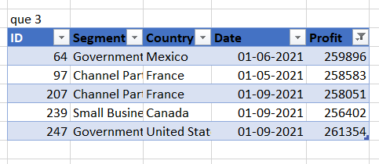
248 | Government | France | 2021-07-01 | 89802
249 | Government | France | 2021-08-01 | 23250
250 | Government | United States of America | 2021-11-01 | 156072
251 | Government | United States of America | 2021-07-01 | 52513
252 | Government | United States of America | 2021-01-01 | 25860
253 | Government | Canada | 2021-04-01 | 244904
254 | Government | Canada | 2021-07-01 | 159745
255 | Government | United States of America | 2021-01-01 | 6256
256 | Government | Mexico | 2021-02-01 | 194150
257 | Government | France | 2021-08-01 | 7382
258 | Government | United States of America | 2021-05-01 | 26172
259 | Government | United States of America | 2021-11-01 | 223295
260 | Government | Canada | 2021-06-01 | 213069
261 | Government | France | 2021-06-01 | 7190
262 | Government | Canada | 2021-03-01 | 51626
263 | Government | Germany | 2021-09-01 | 200584
264 | Government | Mexico | 2021-07-01 | 235104
265 | Government | Canada | 2021-09-01 | 55991
266 | Government | France | 2021-02-01 | 134107
267 | Government | Germany | 2021-10-01 | 104379
268 | Government | Mexico | 2021-10-01 | 22810
269 | Government | France | 2021-01-01 | 28289
270 | Government | Mexico | 2021-06-01 | 65162
271 | Midmarket | Mexico | 2021-03-01 | 201340
272 | Channel Partners | Germany | 2021-11-01 | 55433
273 | Enterprise | Canada | 2021-07-01 | 104422
274 | Midmarket | France | 2021-12-01 | 100956
275 | Midmarket | Germany | 2021-04-01 | 135272
276 | Channel Partners | United States of America | 2021-07-01 | 59920
277 | Midmarket | United States of America | 2021-10-01 | 163127
278 | Channel Partners | Canada | 2021-12-01 | 232472
279 | Enterprise | United States of America | 2021-11-01 | 28110
280 | Enterprise | Canada | 2021-01-01 | 40778
281 | Small Business | Mexico | 2021-01-01 | 219774
282 | Small Business | Canada | 2021-08-01 | 216458
283 | Small Business | Germany | 2021-03-01 | 39973
284 | Channel Partners | France | 2021-11-01 | 195638
285 | Channel Partners | Germany | 2021-01-01 | 256329
286 | Small Business | Mexico | 2021-06-01 | 11238
287 | Midmarket | Germany | 2021-11-01 | 20238
288 | Small Business | Mexico | 2021-07-01 | 226327
289 | Channel Partners | United States of America | 2021-02-01 | 192728
290 | Small Business | United States of America | 2021-10-01 | 245470
291 | Small Business | United States of America | 2021-09-01 | 12156
292 | Midmarket | France | 2021-02-01 | 11682
293 | Enterprise | Canada | 2021-11-01 | 161110
294 | Channel Partners | Mexico | 2021-03-01 | 155535
295 | Channel Partners | Germany | 2021-06-01 | 223894
296 | Midmarket | Mexico | 2021-04-01 | 22839
297 | Channel Partners | Canada | 2021-06-01 | -14202
298 | Midmarket | United States of America | 2021-09-01 | 98246
299 | Small Business | Canada | 2021-05-01 | 111998
300 | Channel Partners | United States of America | 2021-09-01 | 74093
301 | Midmarket | Canada | 2021-11-01 | 40179
302 | Enterprise | Mexico | 2021-08-01 | 75634
303 | Small Business | Canada | 2021-02-01 | -11610
304 | Enterprise | Canada | 2021-06-01 | 34080
305 | Small Business | Mexico | 2021-05-01 | 239368
306 | Midmarket | France | 2021-10-01 | 86076
307 | Enterprise | United States of America | 2021-03-01 | 75969
308 | Midmarket | United States of America | 2021-07-01 | -39689
309 | Midmarket | France | 2021-04-01 | 51383
310 | Channel Partners | United States of America | 2021-07-01 | 252080
311 | Midmarket | France | 2021-07-01 | 176652
312 | Small Business | United States of America | 2021-05-01 | 125616
313 | Enterprise | Germany | 2021-08-01 | 7269

